Fruquintinib
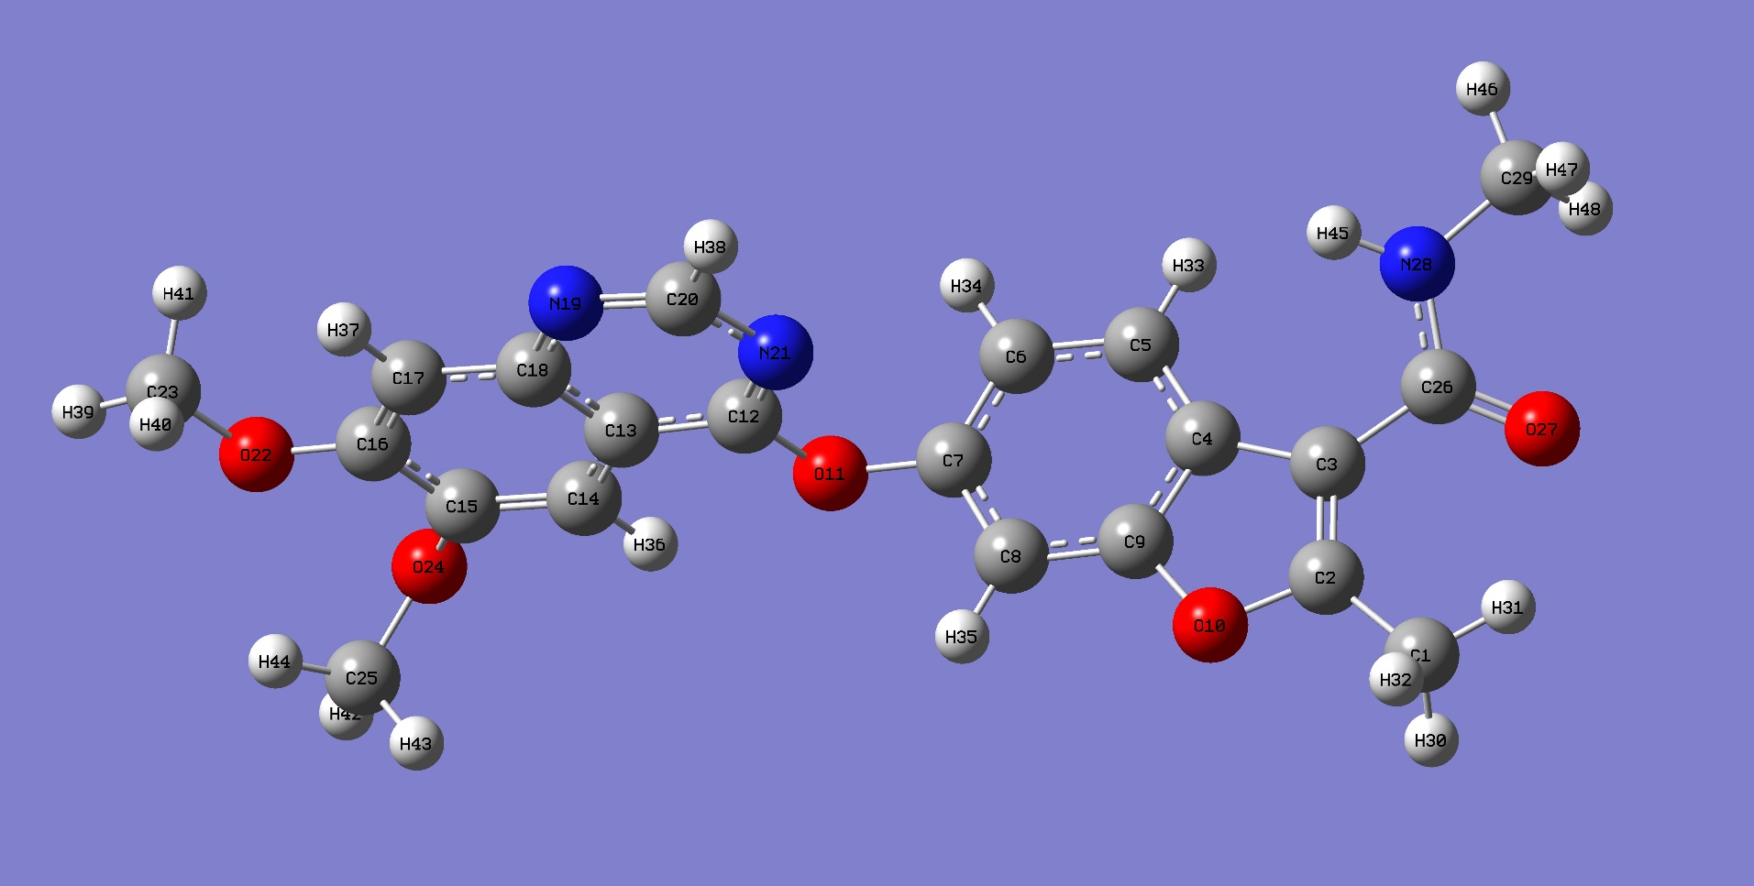
 | E | H | G
(hartree) | -1351.727099 | -1351.726155 | -1351.813227
kcal/mol | -848212.8098 | -848212.21744 | -848266.85538

 | S
cal/mol K | 183.258

Vina Output
 |  | dist from best mode
mode | affinity (kcal/mol) | rmsd l.b. | rmsd u.b.
1 | -6.9 | 0 | 0
2 | -6.4 | 2.736 | 8.821
3 | -6.3 | 1.807 | 2.786
4 | -6 | 3.633 | 5.499
5 | -5.9 | 2.178 | 3.597
6 | -5.9 | 1.862 | 8.766
7 | -5.7 | 3.379 | 4.729
8 | -5.7 | 3.25 | 4.801
9 | -5.6 | 7.643 | 9.995

Bond | Length (Å) |  | Bond | Angle (º) | Bond | Dihedral (º)
C1-H30 | 1.0964 |  | H30-C1-H31 | 108.6 | H30-C1-C2-C3 | -117.7
C1-H31 | 1.0896 |  | H30-C1-H32 | 107.6 | H30-C1-C2-O10 | 63.1
C1-H32 | 1.0959 |  | H31-C1-H32 | 110.3 | H31-C1-C2-C3 | 1.8
C1-C2 | 1.4843 |  | C1-C2-O10 | 115.6 | H31-C1-C2-O10 | -177.4
C2-C3 | 1.3717 |  | C1-C2-C3 | 133.4 | H32-C1-C2-C3 | 123.5
C2-O10 | 1.375 |  | C3-C2-O10 | 111.1 | H32-C1-C2-O10 | -55.7
C3-C26 | 1.4855 |  | C2-C3-C26 | 124.1 | C1-C2-C3-C4 | -179.8
C3-C4 | 1.456 |  | C2-C3-C4 | 106.3 | C1-C2-C3-C26 | -1.1
C26-O27 | 1.2335 |  | C4-C3-C26 | 129.5 | C1-C2-O10-C9 | 179.9
C26-N28 | 1.3697 |  | C3-C26-O27 | 122.9 | C2-C3-C26-O27 | 25.2
C29-N28 | 1.4562 |  | C3-C26-N28 | 115.4 | C2-C3-C26-N28 | -155.1
N28-H45 | 1.0095 |  | O27-C26-N28 | 121.6 | C2-C3-C4-C5 | -176.6
C29-H46 | 1.0922 |  | C26-N28-H45 | 118 | C2-C3-C4-C9 | 0.5
C29-H47 | 1.0969 |  | C26-N28-C29 | 120.9 | C2-O10-C9-C4 | -0.2
C29-H48 | 1.0914 |  | C29-N28-H45 | 118.2 | C2-O10-C9-C8 | 178.8
C9-O10 | 1.3701 |  | N28-C29-H46 | 108.9 | C3-C26-N28-H45 | 15.6
C4-C9 | 1.4056 |  | N28-C29-H47 | 112.1 | C3-C26-N28-C29 | 176.1
C8-C9 | 1.3883 |  | N28-C29-H48 | 109.3 | C3-C4-C5-H33 | 0.05
C4-C5 | 1.4058 |  | H46-C29-H47 | 109.3 | C3-C4-C5-C6 | 178.2
C5-H33 | 1.085 |  | H46-C29-H48 | 109.3 | C3-C4-C9-C8 | -179.2
C5-C6 | 1.3933 |  | H47-C29-H48 | 108 | C3-C4-C9-O10 | -0.2
C6-H34 | 1.0844 |  | C3-C4-C5 | 136.7 | C26-N28-C29-H46 | 166.8
C6-C7 | 1.4016 |  | C3-C4-C9 | 105.2 | C26-N28-C29-H47 | -72.1
C7-C8 | 1.3905 |  | C5-C4-C9 | 118 | C26-N28-C29-H48 | 47.5
C8-H35 | 1.0835 |  | C4-C5-H33 | 121.4 | C26-C3-C4-C5 | 4.7
C7-O11 | 1.4003 |  | C4-C5-C6 | 119 | C26-C3-C4-C9 | -178.2
C12-O11 | 1.3587 |  | H33-C5-C6 | 119.5 | O27-C26-N28-H45 | -164.7
C12-C13 | 1.4245 |  | C5-C6-H34 | 120.6 | O27-C26-N28-C29 | -4.2
C12-N21 | 1.3118 |  | C5-C6-C7 | 120.5 | N28-C26-C3-C4 | 23.4
C13-C14 | 1.4164 |  | H34-C6-C7 | 119 | H45-N28-C29-H46 | -32.6
C13-C18 | 1.4219 |  | C6-C7-O11 | 119.3 | H45-N28-C29-H47 | 88.3
C18-N19 | 1.3705 |  | C6-C7-C8 | 122.4 | H45-N28-C29-H48 | -152
C20-N19 | 1.3137 |  | C8-C7-O11 | 118 | C4-C5-C6-H34 | -179.8
C20-N21 | 1.3607 |  | C7-C8-H35 | 121.7 | C4-C5-C6-C7 | -0.2
C20-H38 | 1.0874 |  | C7-C8-C9 | 115.6 | C4-C9-C8-H35 | 180
C14-H36 | 1.0838 |  | H35-C8-C9 | 122.6 | C4-C9-C8-C7 | 0.2
C14-C15 | 1.3759 |  | C4-C9-C8 | 124.4 | C5-C6-C7-C8 | -1.1
C15-O24 | 1.3703 |  | C4-C9-O10 | 110.2 | C5-C6-C7-O11 | -175.7
C15-C16 | 1.4377 |  | C8-C9-O10 | 125.3 | C5-C4-C9-O10 | 177.5
C16-C17 | 1.384 |  | C2-O10-C9 | 107.2 | H33-C5-C6-H34 | -1.6
C16-O22 | 1.3576 |  | C7-O11-C12 | 119.7 | H33-C5-C6-C7 | 178
C17-H37 | 1.0825 |  | O11-C12-C13 | 116.2 | C6-C7-C8-C9 | 1.1
C17-C18 | 1.4162 |  | O11-C12-N21 | 120.4 | C6-C7-C8-H35 | -178.6
C23-O22 | 1.4267 |  | C13-C12-N21 | 123.4 | C6-C7-O11-C12 | -81.8
C23-H39 | 1.0901 |  | C12-C13-C14 | 125.1 | H34-C6-C7-C8 | 178.5
C23-H40 | 1.0962 |  | C12-C13-C18 | 115 | H34-C6-C7-O11 | 4
C23-H41 | 1.0959 |  | C14-C13-C18 | 120 | C7-C8-C9-O10 | -178.7
C25-O24 | 1.4354 |  | C13-C14-H36 | 120.5 | C7-O11-C12-C13 | 177.4
C25-H42 | 1.0911 |  | C13-C14-C15 | 120.4 | C7-O11-C12-N21 | -3
C25-H43 | 1.0971 |  | H36-C14-C15 | 119 | C8-C7-O11-C12 | 103.4
C25-H44 | 1.0935 |  | C14-C15-C16 | 119.9 | C8-C9-C4-C5 | -1.5
 |  |  | C14-C15-O24 | 119.3 | H35-C8-C7-O11 | -4
 |  |  | C16-C15-O24 | 120.7 | H35-C8-C9-O10 | 1
 |  |  | C15-C16-C17 | 120.2 | C9-O10-C2-C3 | 0.6
 |  |  | C15-C16-O22 | 115.2 | C9-C4-C5-H33 | -176.8
 |  |  | C17-C16-O22 | 124.6 | C9-C4-C5-C6 | 1.4
 |  |  | C16-C17-H37 | 122.2 | O10-C2-C3-C4 | -0.7
 |  |  | C16-C17-C18 | 120.4 | O10-C2-C3-C26 | 178
 |  |  | H37-C17-C18 | 117.4 | O11-C7-C8-C9 | 175.7
 |  |  | C13-C18-C17 | 119.1 | O11-C12-C13-C14 | -0.1
 |  |  | C13-C18-N19 | 121.6 | O11-C12-C13-C18 | 179.7
 |  |  | C17-C18-N19 | 119.2 | O11-C12-N21-C20 | -179.6
 |  |  | C18-N19-C20 | 116.2 | C12-C13-C14-H35 | -0.6
 |  |  | N19-C20-H38 | 117.2 | C12-C13-C14-C15 | -180
 |  |  | N19-C20-N21 | 127.6 | C12-C13-C18-C17 | 179.6
 |  |  | H38-C20-N21 | 115.2 | C12-C13-C18-N19 | -0.1
 |  |  | C12-N21-C20 | 116.2 | C12-N21-C20-N19 | 0
 |  |  | C16-O22-C23 | 118.4 | C12-N21-C20-H38 | 180
 |  |  | C15-O24-C25 | 116.4 | C13-C12-N21-C20 | 0
 |  |  | O22-C23-H39 | 105.6 | C13-C14-C15-O24 | 176.2
 |  |  | O22-C23-H40 | 111.1 | C13-C14-C15-C16 | 0.6
 |  |  | O22-C23-H41 | 111 | C13-C18-C17-C16 | 0
 |  |  | H39-C23-H40 | 109.7 | C13-C18-C17-H37 | -179.2
 |  |  | H39-C23-H41 | 109.6 | C13-C18-N19-C20 | 0
 |  |  | H40-C23-H41 | 109.6 | C14-C13-C12-N21 | -179.7
 |  |  | O24-C25-H42 | 105.8 | C14-C13-C18-C17 | -0.5
 |  |  | O24-C25-H43 | 110.3 | C14-C13-C18-N19 | 179.7
 |  |  | O24-C25-H44 | 111.3 | C14-C15-O24-C25 | 112.6
 |  |  | H42-C25-H43 | 109.5 | C14-C15-C16-O22 | 178.3
 |  |  | H42-C25-H44 | 109.7 | C14-C15-C16-C17 | -1.1
 |  |  | H43-C25-H44 | 110.1 | C15-O24-C25-H42 | -178.6
 |  |  |  |  | C15-O24-C25-H43 | -60.2
 |  |  |  |  | C15-O24-C25-H44 | 62.2
 |  |  |  |  | C15-C14-C13-C18 | 0.2
 |  |  |  |  | C15-C16-O22-C23 | -177.8
 |  |  |  |  | C15-C16-C17-H37 | 180
 |  |  |  |  | C15-C16-C17-C18 | 0.8
 |  |  |  |  | C16-C15-O24-C25 | -71.8
 |  |  |  |  | C16-C15-C14-H36 | -178.8
 |  |  |  |  | C16-O22-C23-H39 | 178.8
 |  |  |  |  | C16-O22-C23-H40 | -62.3
 |  |  |  |  | C16-O22-C23-H41 | 60
 |  |  |  |  | C16-C17-C18-N19 | 179.7
 |  |  |  |  | C17-C16-C15-O24 | -176.7
 |  |  |  |  | C17-C16-O22-C23 | 1.6
 |  |  |  |  | C17-C18-N19-C20 | -179.7
 |  |  |  |  | C18-C13-C14-H36 | 179.6
 |  |  |  |  | C18-C13-C12-N21 | 0.1
 |  |  |  |  | C18-C17-C16-O22 | -178.6
 |  |  |  |  | C18-N19-C20-N21 | 0
 |  |  |  |  | C18-N19-C20-H38 | -179.9
 |  |  |  |  | N19-C18-C17-H37 | 0.5
 |  |  |  |  | O22-C16-C15-O24 | 2.8
 |  |  |  |  | O22-C16-C17-H37 | 0.6
 |  |  |  |  | O24-C15-C14-H35 | -3.2

